Evo - 2
Evo - 2 Model (Biggest-ever AI biology model writes DNA on demand)
An artificial-intelligence network trained on a vast trove of sequence data is a step towards designing completely new genomes.
Evo - 2 Model (by computational genomicist, stanford university) - Evo-2 was trained on genome data that contains both ‘coding sequences’ (which carry instructions for making proteins) and non-coding DNA sequences (can control when, where and how genes are active)
Previous models
The first model trained on the genomes of 80,000 bacteria and archaea — simple organisms called prokaryotes — as well as their viruses and other sequences.
The latest model is based on 128,000 genomes, including those of humans and other animals, plants and other eukaryotic organisms. These genomes encompass a total of 9.3 trillion DNA letters. Based on the computing power needed to devour this data and other features, the Evo-2 is the biggest biological AI model yet released, says Hsu.
Novelty: scientist and engineers must try to build this "app store" for biology
Tools: NVIDIA (chipmaker), Freely available software code in GitHub
Why and How?
Compared to prokaryotes & eukaryotes. Genes are more longer & more complex. Genes made of coding & non-coding regions (Regulatory DNA)
To handle this complexity, Evo-2 was built to learn patterns in DNA sequences with base pairs
References: Hsu & colleagues, used Evo-2, To study the effect of gene mutations in breast cancer BRAC1
The model identified, mutations caused due to changes in coding regions
In future, this model will help to identify changes in patient genomes

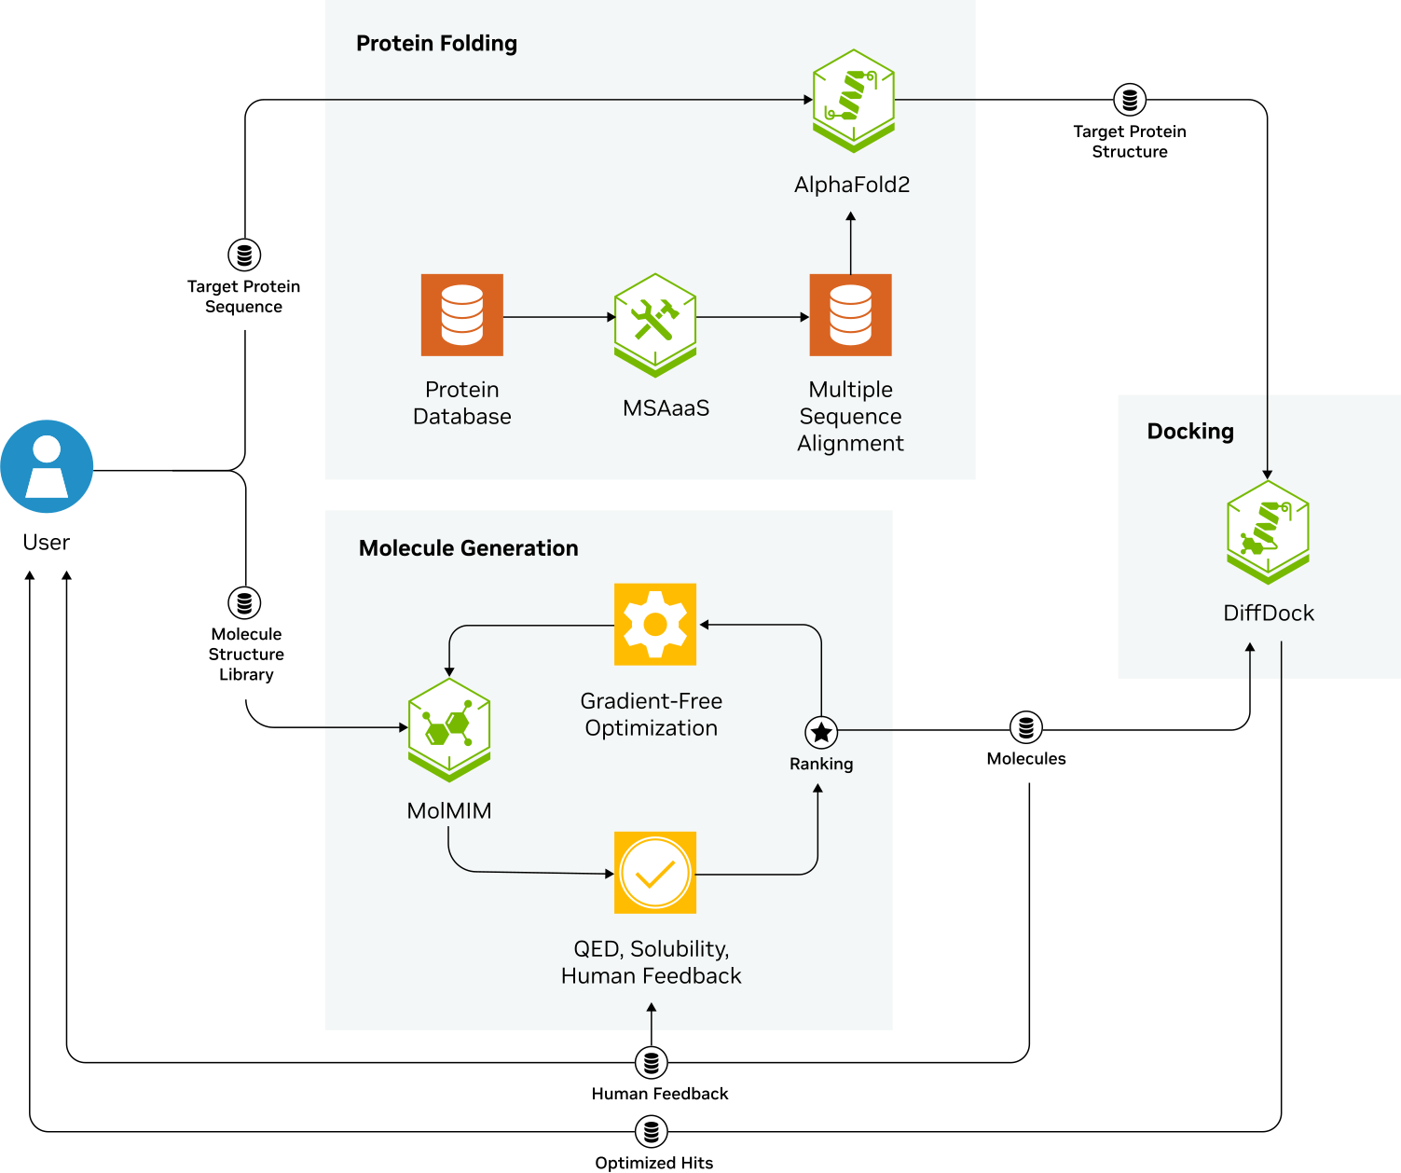
NVIDIA BioNeMo Framework
Accelerated BioNeMo (Biology+chemistry) Blueprints for Drug Discovery (Generative Virtual Screening)
Accelerate breakthroughs in drug identification and improve the accuracy of target and compound selection

Generative virtual screening
AlphaFold 2 - predicts 3D structure of target protein with high accuracy,
Initial molecules pass to MoMIMIM
MoIMIM - splits into small molecules (finds space to chemicals that identifies potential binders)
Oracle Model - To evaluate the small molecules, generates SCORES based on predicted binding affinity & other properties
DiffDock - Refines interactions, predicts optimal binding, enhance binding configurations
NVIDIA BioNeMo Framework
This helps in Identification & optimization of processing drug-like molecules
Reducing the time & cost associated with traditional drug discovery methods

